Sheet1
 |  | Document No. | Issue No. | Issue Date |  | Review and Replace Date |  | Authorised By
 |  | GFF218MC | 4 | 02.10.2020 |  | 17.12.2024 |  | Magda Shah
 |  | Document Title | Kashmiri Dum Gravy 3000g

Document amendments reason for change |  | Tray and Film Changed |  | Page 1 of 1 | Previous Issue Date |  | 10.01.2024 | Uncontrolled copy unless signed original

CKASG-B2T | Simply Lunch |  | Kashmiri Dum Gravy 3000g
STEP 1 |  |  |  |  | STEP 2
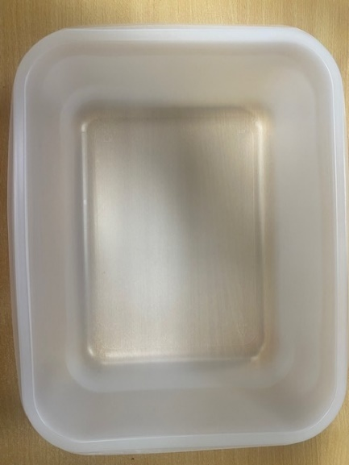 |  |  |  |  | 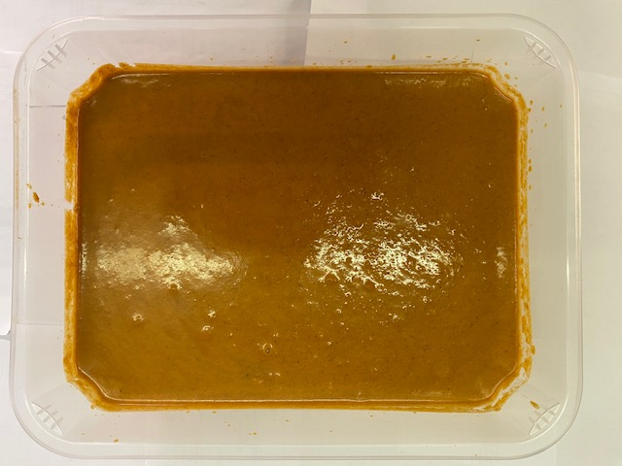

Tray: 554 natural-(PKPRO001-19) |  |  |  |  | Dum Gravy Kashmiri (GFF335R): 3000g
Film: S340AF 340mmX510mm AF&HB Weld-(PKPRO001-17)
TOTAL WEIGHT: 3000g

ALLERGY ALERT: MILK

